Sheet3
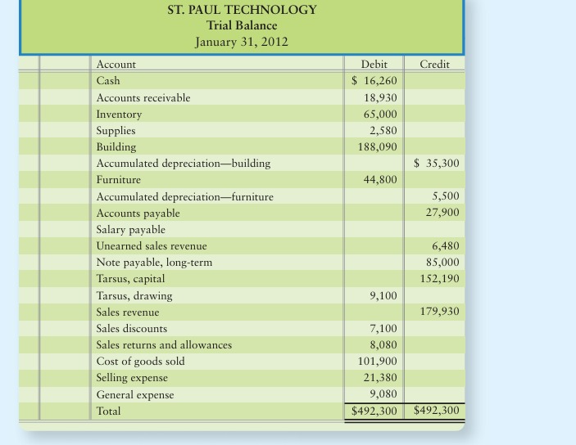

Journal for closing Entries

Account | Dr | Cr
Sales Revenue | 179930
Income summary |  | 179930

Income summary | 7100
Sales discount |  | 7100

Income summary | 8080
Sales return and allowance |  | 8080

Income summary | 101900
cost of good sold |  | 101900

Incomes summary | 21380
Selling expense |  | 21380

Incomes summary | 9080
General expens |  | 9080

Net sales = sales revenue - (sales disc + sales retun & allowanc) Net sales = 179930-(7100+8080) = 164750 Gross Profit = Net sales - Cost of Good sold = 164750-101900= 62850 Net income = net sales - (Cost of good sold+operating expenses( remaining expenses) Net Income = 164750-(101900+21380+9080)=32390

Or net income = Gross profit - operating expenses Net income = gross profit - (selling expenses + General expenses) =62850-(21380+9080)=32390

